ER-Diagram
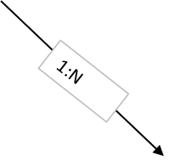
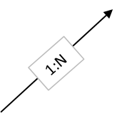
 |  |  | ex_transactions |  |  | ex_campaign_metrics
 |  |  | transaction_id | ex_products |  | metric_id
 | ex_returns |  | order_id | product_id |  | campaign_id
 | order_id |  | product_id | product_name |  | metric_date
1:1
 | return_reason |  | sales_amount | colors |  | impressions
 |  | ex_orders | quantity | category |  | clicks
 |  | order_id | discount | sub_category | ex_campaigns | conversions
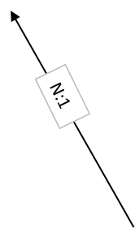
 |  | customer_id | COGS | date_added | campaign_id | bounces
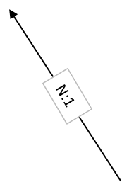
 |  | partner_id |  | manufacturer | product_id
 |  | ship_mode |  | sizes | channel_id
1:N
 |  | order_status |  | upc | start_date
 |  | order_purchase_date |  | weight | end_date
 |  | order_approved_at |  | product_photos_qty | campaign_type
ex_locations |  | order_dispatched_date |  |  | budget
postal_code | ex_customers | order_delivered_date
city | customer_id | order_estimated_delivery_date
state | customer_email |  | ex_logistics_partners |  |  | ex_channel
region | customer_name |  | partner_id |  |  | channel_id (PK)
country | segment |  | partner_name |  |  | channel_name
 | postal_code
 | joining_date

